Sheet1
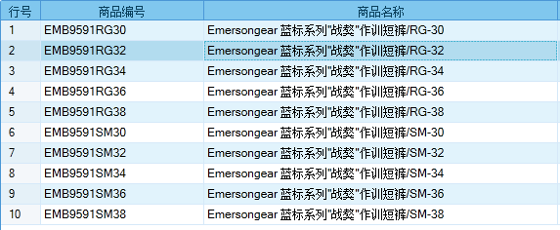
基本类型
品牌： | Emersongear BlueLabel |  |  | 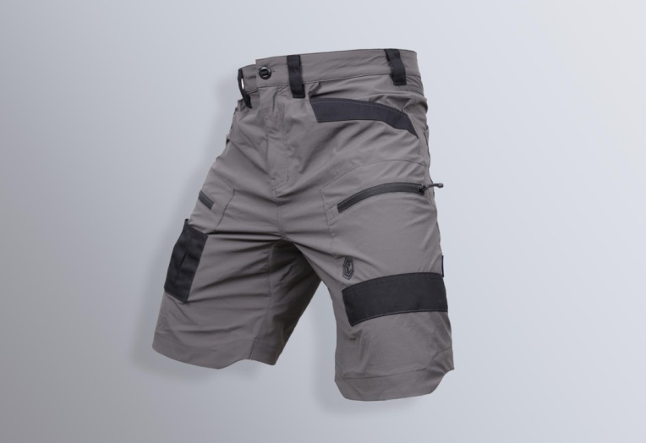
品名: | Emersongear 蓝标系列"战獒"作训短裤
款号: | EMB9591
材料（成分）: | 主料：86%尼龙+14%氨纶 拼接料：50%涤纶+50%棉
尺寸: | 30W 32W 34W 36W 38W
颜色： | RG /SM
功能: | 高弹力 / 运动剪裁 / 快干透气 / 极致轻薄 / 吸湿排汗
场景（选填）: | 射击 / 户外 / 街头 / 城市 / 健身 / 商旅 / 通勤 / 徒步 / 露营 / 跑步
包装 | 透明塑料袋
毛重 | 0.315kg
净重 | 0.311kg
成品部位尺寸表(单位：英寸/厘米)
尺码 名称 | 英寸 | 厘米 | 英寸 | 厘米 | 英寸 | 厘米 | 英寸 | 厘米 | 英寸 | 厘米
 | 30 | 30 | 32 | 32 | 34 | 34 | 36 | 36 | 38 | 38
裤长(前中量） | 21.875 | 55.56 | 22.5 | 57.15 | 23.125 | 58.74 | 23.75 | 60.33 | 24.375 | 61.91
内长 | 9.125 | 23.18 | 9.5 | 24.13 | 9.875 | 25.08 | 10.25 | 26.04 | 10.625 | 26.99
腰围 | 30.5 | 77.47 | 32.5 | 82.55 | 34.5 | 87.63 | 36.5 | 92.71 | 38.5 | 97.79
臀围 | 41 | 104.14 | 43 | 109.22 | 45 | 114.30 | 47 | 119.38 | 49 | 124.46
脚围 | 19 | 48.26 | 21 | 53.34 | 23 | 58.42 | 25 | 63.50 | 27 | 68.58
车唛内长 | 9 | 22.86 | 9.5 | 24.13 | 10 | 25.40 | 10.5 | 26.67 | 11 | 27.94
体重（单位:KG | 166-170 |  | 171-175 |  | 176-180 |  | 181-185 |  | 186-190
身高(单位：CM) | 61-65 |  | 66-70 |  | 71-75 |  | 76-80 |  | 81-85
产品卖点
1.功能面料： 产品采用四面弹格子尼氨混纺面料，既保持尼龙面料本身高强度耐磨的特性，又延伸了面料高弹性能以及速干透气的效果。
2.裤子易摩擦点采用黑色TC军规珠帆格拼接设计，提高易摩处的耐磨性（袋口和袋底都是受摩擦比较多的点）
3.多口袋多插袋设计（两侧袋+两拉链贴袋+两个后插带，右大腿贴袋外侧三个插袋可固定工具）满足日常出行容量。
4.脚口前长后短马蹄设计，下蹲时膝关节弯位不堆积多余面料。
5.宽松版型配合弹力面料，运动不束缚。

